Data Key
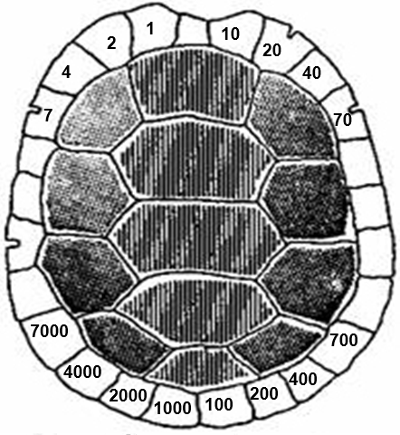
Column | Description
Date | Date of capture
Region | Region of Texas (South, Central, West)
County | County
Location | Geographic coordinates for the site (WGS84, decimal degrees)
Site | Site name or description of location
Water Body Type | Type of water body (Canal, Lake, Pond, Resaca [Oxbow Lake], River, Terrestrial)
Capture Method | Method of capture (Basking Trap, Hand, Hoop Net)
Genus | Genus of capture
Species | Specific epithet of capture
Subspecies | Subspecific epithet of capture
Sex | Sex of capture (J = juvenile, F = female, M = male)
C. Length | Midline carapace length (mm), measured to the nearest 1 mm
C. Width | Midline carapace width (mm), measured to the nearest 1 mm
P. Length | Midline plastron length (mm), measured to the nearest 1 mm
P. Width | Pectoral scute plastron width (mm), measured to the nearest 1 mm
B. Depth | Maximum body depth (mm), measured to the nearest 1 mm
Weight | Weight to the nearest 1 g, 5 g, 10 g, and 50 g for turtles weighing ≤10 g, ≤600 g, ≤2500 g, and >2500 g, respectively
Mark | Individual shell notch number (see marking scheme below)
Collector # | Unique record number
Comments | Additional information, such as injuries

